Лист1
Uy-joy qarzdorlik ro'yxati 20-yillik
T/r. | Rasmi | Pasport bo'yicha manzili | F.I.O. | Pasport seriyasi va raqami | Tug'ilgan vaqti | JShShIR | Olingan qarz summasi | Olingan qarz summasi matnda | Qarz shartnomasi tasdiqlangan sana | Tasdiqlagan notarius | Shartnoma reestr raqami | Qarzdorlik holati sanasi | Muddati o'tkan qarz summasi | Muddati o'tkan qarz summasi matnda | Telefon raqami | Ogohlantirish xati yuborilgan sana va raqami | Sudga chiqarilganligi haqida ma'lumot
1 | 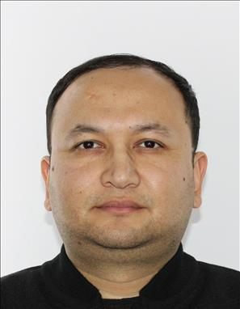 | Toshkent shahar, Uchtepa tumani, Jurjoniy MFY, Zamaxshariy ko'chasi 30-uy | KADIROV ODIL MURATOVICH | AD1114901 | 1987-02-16 | 31,602,870,171,169 | 68,590,000.00 | (oltmish sakkiz million besh yuz to'qson ming so'm 0 tiyin) | 2019-yil 20-mart | Toshkent shahar, Olmazor tumani 2-son davlat notarial idorasining notariusi Tursunkulova Kamila Ruslanovna | 201900043001468 | 2025-yil 5-noyabr | 22,577,489.00 | (yigirma ikki million besh yuz yetmish yetti ming to'rt yuz sakson to'qqiz so'm 0 tiyin)
2 | 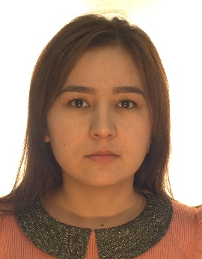 | Toshkent shahar, Chilonzor tumani, 8-33-14, 22Б, 114 | MAMATKULOVA SHAHLOHON SHAVKATJON QIZI | AB5524946 | 1995-05-26 | 42,605,950,270,031 | 77,175,620.00 | (yetmish yetti million bir yuz yetmish besh ming olti yuz yigirma so'm 0 tiyin) | 2019-yil 25-sentabr | Toshkent shahar, Yashnobod tumani 7-son davlat notarial idorasining notariusi Yoqubov Doniyorbek Mansurbek O'g'li | 201901218000159 | 2025-yil 5-noyabr | 23,568,620.00 | (yigirma uch million besh yuz oltmish sakkiz ming olti yuz yigirma so'm 0 tiyin)
3 | 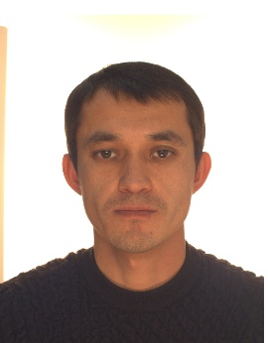 | Toshkent shahar, Yangihayot tumani, Yangi Choshtepa MFY, O'zar ko'chasi, 39-uy, 32-xonadon | BOLTAYEV FURQAT BEKTEMIROVICH | AB2417415 | 1987-09-21 | 32,109,873,140,093 | 52,050,500.00 | (ellik ikki million ellik ming besh yuz so'm 0 tiyin) | 2019-yil 12-mart | Toshkent shahar, Olmazor tumani 2-son davlat notarial idorasining notariusi Tursunkulova Kamila Ruslanovna | 201900043001279 | 2025-yil 5-noyabr | 17,133,289.00 | (o'n yetti million bir yuz o'ttiz uch ming ikki yuz sakson to'qqiz so'm 0 tiyin)
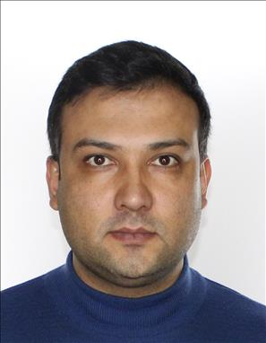 4 |  | Toshkent shahar, Yunusobod tumani, 4-chi kvartal, Qashqar MFY, 31-uy, 26-xonadon | MUXAMMEDOV JAMSHID AKBAROVICH | AD0205298 | 1988-06-24 | 32,406,881,070,012 | 69,656,480.00 | (oltmish to'qqiz million olti yuz ellik olti ming to'rt yuz sakson so'm 0 tiyin) | 2019-yil 13-dekabr | Toshkent shahar, Yashnobod tumani 7-son davlat notarial idorasining notariusi Usmanova Dildora Mahmudovna | 201901137004736 | 2025-yil 5-noyabr | 20,646,480.00 | (yigirma million olti yuz qirq olti ming to'rt yuz sakson so'm 0 tiyin)
5 | 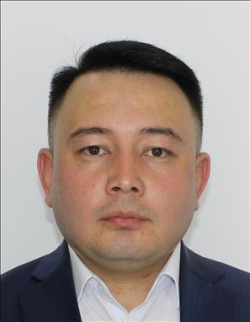 | Toshkent shahar, Mirzo Ulug'bek tumani, Qora-suv-6 massivi, Minglola MFY, 16-uy, 69-xonadon | DADAXONOV DONIYORBEK KAXORJONOVICH | AD1417278 | 1987-01-07 | 30,701,871,240,056 | 68,590,000.00 | (oltmish sakkiz million besh yuz to'qson ming so'm 0 tiyin) | 2019-yil 5-iyul | Toshkent shahar, Olmazor tumani 2-son davlat notarial idorasining notariusi Tursunkulova Kamila Ruslanovna | 201900043002796 | 2025-yil 5-noyabr | 21,850,000.00 | (yigirma bir million sakkiz yuz ellik ming so'm 0 tiyin)
6 | 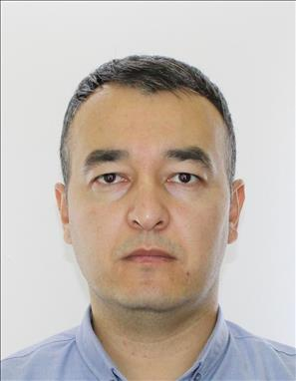 | Toshkent shahar, Uchtepa tumani Ko'hna Cho'ponota MFY,13 mavze, 6-uy, 39- xonadon | DAVRONOV BUNYOD RUSTAMOVICH | AD4705387 | 1988-09-24 | 32,409,881,660,010 | 52,392,670.00 | (ellik ikki million uch yuz to'qson ikki ming olti yuz yetmish so'm 0 tiyin) | 2019-yil 15-iyun | Toshkent shahar, Mirzo Ulug'bek tumani 5-sonli davlat notarial idorasining notariusi Ahmedov Shavkat Yakubjanovich | 201901144000629 | 2025-yil 5-noyabr | 16,640,670.00 | (o'n olti million olti yuz qirq ming olti yuz yetmish so'm 0 tiyin)
7 | 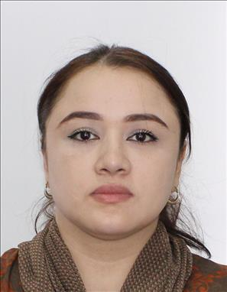 | Toshkent shahri, Mirobod tumani "Oq-uy" MFY Oq bilol 5-tor ko'chasi 43-uy | DJURAYEVA MA'MURA BATIROVNA | AD8895735 | 1990-01-22 | 42 201 900 201 988 | 77,175,620.00 | (yetmish yetti million bir yuz yetmish besh ming olti yuz yigirma so'm 0 tiyin) | 2019-yil 25-oktabr | Toshkent shahar, Yashnobod tumani 7-son davlat notarial idorasining notariusi Usmanova Dildora Mahmudovna | 201901137003364 | 2025-yil 5-noyabr | 23,647,620.00 | (yigirma uch million olti yuz qirq yetti ming olti yuz yigirma so'm 0 tiyin)
8 | 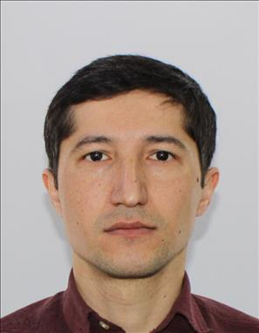 | Toshkent shahri, Yangihayot tumani "Marxamat" MFY 9-qurilish hududi ko'chasi 18-uy 35-xonadon | ELMURADOV SHERZOD XABIBOVICH | AD2663723 | 1986-08-05 | 30,508,860,260,073 | 52,970,080.00 | (ellik ikki million to'qqiz yuz yetmish ming sakson so'm 0 tiyin) | 2019-yil 1-iyul | Toshkent shahar, Yashnobod tumani 7-son davlat notarial idorasining notariusi Usmanova Dildora Mahmudovna | 201901137000945 | 2025-yil 5-noyabr | 16,670,080.00 | (o'n olti million olti yuz yetmish ming sakson so'm 0 tiyin)
9 | 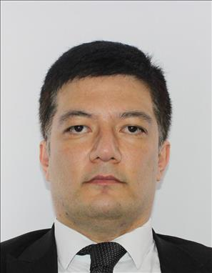 | Toshkent shahar, Uchtepa tumani, Ko'kcha oqtepa MFY, Zakariya Roziy 1-tor ko'chasi, 24B-uy, 23-xonadon | FAYZIYEV OMONULLA LYUTPILLAYEVICH | AD6428655 | 1985-05-25 | 32,505,850,510,040 | 68,590,000.00 | (oltmish sakkiz million besh yuz to'qson ming so'm 0 tiyin) | 2019-yil 12-mart | Toshkent shahar, Olmazor tumani 2-son davlat notarial idorasining notariusi Tursunkulova Kamila Ruslanovna | 201900043001270 | 2025-yil 5-noyabr | 22,577,489.00 | (yigirma ikki million besh yuz yetmish yetti ming to'rt yuz sakson to'qqiz so'm 0 tiyin)
10 | 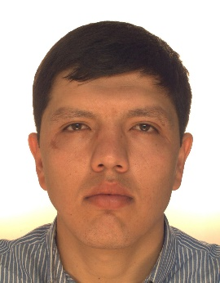 | Toshkent shahar, Yangihayot tumani, 8-qurilish mavzesi, , дом 9-uy, 22-xonadon | JURAYEV SAYFIDDIN MAXMUDOVICH | AB2964190 | 1990-10-19 | 31,910,906,500,019 | 52,353,450.00 | (ellik ikki million uch yuz ellik uch ming to'rt yuz ellik so'm 0 tiyin) | 2019-yil 13-dekabr | Toshkent shahar, Yashnobod tumani 7-son davlat notarial idorasining notariusi Usmanova Dildora Mahmudovna | 201901137004707 | 2025-yil 5-noyabr | 15,511,450.00 | (o'n besh million besh yuz o'n bir ming to'rt yuz ellik so'm 0 tiyin)
11 | 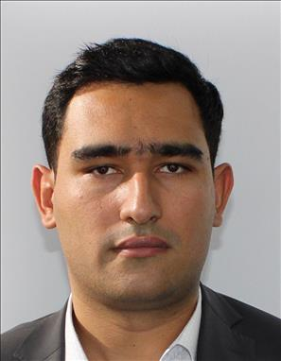 | Toshkent shahar, Yashnobod tumani Boyqo'rg'on MFY, Mavlono Riyoziy, 2 ko'chasi, 43-uy | NAZIROV ABDULAZIZ ABDURASUL O‘G‘LI | AD1659134 | 1993-08-04 | 30,408,931,230,081 | 90,188,020.00 | (to'qson million bir yuz sakson sakkiz ming yigirma so'm 0 tiyin) | 2019-yil 16-iyun | Toshkent shahar, Mirzo Ulug'bek tumani 5-sonli davlat notarial idorasining notariusi Ahmedov Shavkat Yakubjanovich | 201901144000679 | 2025-yil 5-noyabr | 28,688,020.00 | (yigirma sakkiz million olti yuz sakson sakkiz ming yigirma so'm 0 tiyin)
12 | 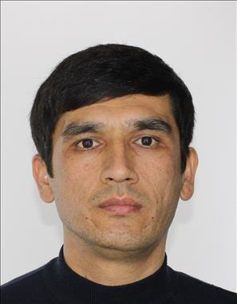 | Toshkent shahar, Yangihayot tumani, 8-qurilish mavzesi, Oriyat MFY, 78-uy, 6-xonadon | PULATOV RUSTAMJON ABDUJABBAROVICH | AD2439073 | 1988-06-14 | 31,406,881,230,013 | 77,175,620.00 | (yetmish yetti million bir yuz yetmish besh ming olti yuz yigirma so'm 0 tiyin) | 2019-yil 4-oktabr | Toshkent shahar, Yashnobod tumani 7-son davlat notarial idorasining notariusi Usmanova Dildora Mahmudovna | 201901137002901 | 2025-yil 5-noyabr | 23,568,620.00 | (yigirma uch million besh yuz oltmish sakkiz ming olti yuz yigirma so'm 0 tiyin)
13 | 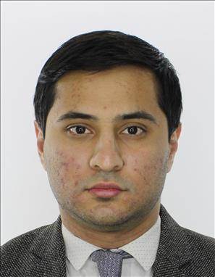 | Toshkent shahar, Yangihayot tumani, 9-qurilish mavzesi, Gulshanobod MFY, 55-uy, 23-xonadon | RAXIMOV SUXROBBEK RAXIMOVICH | AD0894206 | 1992-03-31 | 33,103,927,190,046 | 66,225,780.00 | (oltmish olti million ikki yuz yigirma besh ming yetti yuz sakson so'm 0 tiyin) | 2019-yil 15-iyun | Toshkent shahar, Mirzo Ulug'bek tumani 5-sonli davlat notarial idorasining notariusi Ahmedov Shavkat Yakubjanovich | 201901144000599 | 2025-yil 5-noyabr | 21,125,780.00 | (yigirma bir million bir yuz yigirma besh ming yetti yuz sakson so'm 0 tiyin)
14 | 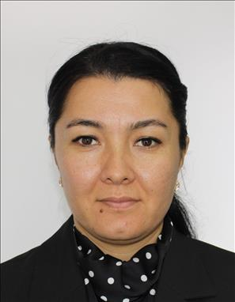 | Toshkent shahri, Yangihayot tumani Uzar ko'chasi 21-uy 29-xonadon | RAXIMOVA DURDONA SHUKURULLAYEVNA | AD8973358 | 1989-06-08 | 40,806,891,671,309 | 70,062,500.00 | (yetmish million oltmish ikki ming besh yuz so'm 0 tiyin) | 2019-yil 12-mart | Toshkent shahar, Olmazor tumani 2-son davlat notarial idorasining notariusi Tursunkulova Kamila Ruslanovna | 201900043001267 | 2025-yil 5-noyabr | 23,062,233.00 | (yigirma uch million oltmish ikki ming ikki yuz o'ttiz uch so'm 0 tiyin)
15 |  | Toshkent shahri, Bektemir tumani "Xusayn Boyqaro" MFY Yuqori Chirchiq ko'chasi 3-uy 14-xonadon | RUZIYEV NAJMIDDIN XOJIMURADOVICH | AD1402364 | 1987-03-10 | 31,003,870,200,026 | 68,590,000.00 | (oltmish sakkiz million besh yuz to'qson ming so'm 0 tiyin) | 2019-yil 5-mart | Toshkent shahar, Olmazor tumani 2-son davlat notarial idorasining notariusi Tursunkulova Kamila Ruslanovna | 201900043001165 | 2025-yil 5-noyabr | 22,863,280.00 | (yigirma ikki million sakkiz yuz oltmish uch ming ikki yuz sakson so'm 0 tiyin)
16 | 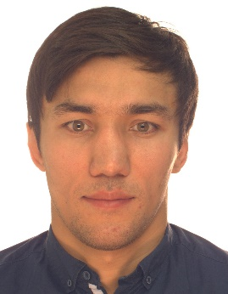 | Toshkent shahar, Yakkasaroy tumani Bog'saroy MFY, Mirobod ko'chasi, 12-uy, 58-xonadon | RUZIYEV SHERBEK SHUXRATOVICH | AC1621277 | 1989-01-01 | 30,101,890,311,162 | 55,446,520.00 | (ellik besh million to'rt yuz qirq olti ming besh yuz yigirma so'm 0 tiyin) | 2019-yil 18-iyun | Toshkent shahar, Yashnobod tumani 7-son davlat notarial idorasining notariusi Usmanova Dildora Mahmudovna | 201901137000659 | 2025-yil 5-noyabr+M18:M24 | 17,562,520.00 | (o'n yetti million besh yuz oltmish ikki ming besh yuz yigirma so'm 0 tiyin)
17 | 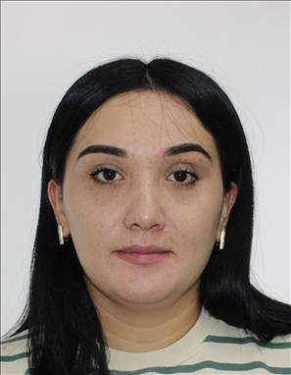 | Toshkent shahri, Yangihayot tumani "Yangi Choshtepa" MFY Uzar ko'chasi 39-uy 7-xonadon | HUSENOVA SAODAT HUSNIDDIN QIZI | AD9012567 | 1994-09-28 | 42,809,966,500,016 | 48,611,500.00 | (qirq sakkiz million olti yuz o'n bir ming besh yuz so'm 0 tiyin) | 2019-yil 7-mart | Toshkent shahar, Olmazor tumani 2-son davlat notarial idorasining notariusi Tursunkulova Kamila Ruslanovna | 201900043001229 | 2025-yil 5-noyabr | 16,001,213.00 | (o'n olti million bir ming ikki yuz o'n uch so'm 0 tiyin)
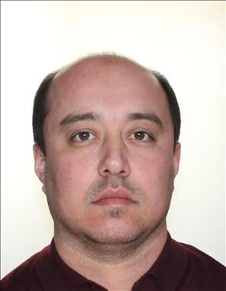 18 |  | Toshkent shahar, Yangihayot tumani, 8-qurilish mavzesi, Oriyat MFY, 75-uy, 24-xonadon | NAYIMOV AZIZBEK ERKIN O‘G‘LI | AD6123312 | 1990-06-26 | 32,606,900,191,982 | 69,656,480.00 | (oltmish to'qqiz million olti yuz ellik olti ming to'rt yuz sakson so'm 0 tiyin) | 2019-yil 13-dekabr | Toshkent shahar, Yashnobod tumani 7-son davlat notarial idorasining notariusi Usmanova Dildora Mahmudovna | 201901137004739 | 2025-yil 5-noyabr | 20,646,480.00 | (yigirma million olti yuz qirq olti ming to'rt yuz sakson so'm 0 tiyin)
19 | 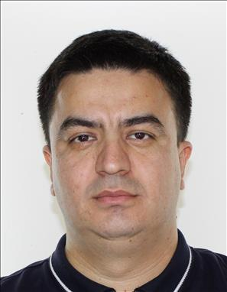 | Toshkent shahar, Yangihayot tumani, 8-qurilish mavzesi, Oriyat MFY, 73-uy, 36-xonadon | TURSUNOV DAVRON DONIYOROVICH | AD3133203 | 1989-04-13 | 31,304,892,720,014 | 69,656,480.00 | (oltmish to'qqiz million olti yuz ellik olti ming to'rt yuz sakson so'm 0 tiyin) | 2019-yil 13-dekabr | Toshkent shahar, Yashnobod tumani 7-son davlat notarial idorasining notariusi Usmanova Dildora Mahmudovna | 201901218001857 | 2025-yil 5-noyabr | 20,646,480.00 | (yigirma million olti yuz qirq olti ming to'rt yuz sakson so'm 0 tiyin)
20 | 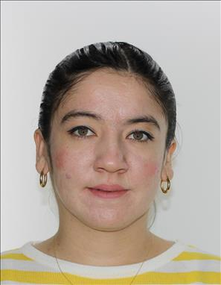 | Toshkent shahar, Chilonzor tumani, Beshchinor MFY, 5-Mavze, 25-uy, 33-xonadon | UBAYDULLAYEVA SAYYORA XASANOVNA | AD2525851 | 1990-12-30 | 43,012,900,261,479 | 68,590,000.00 | (oltmish sakkiz million besh yuz to'qson ming so'm 0 tiyin) | 2019-yil 5-mart | Toshkent shahar, Olmazor tumani 2-son davlat notarial idorasining notariusi Tursunkulova Kamila Ruslanovna | 201900043001187 | 2025-yil 5-noyabr | 22,863,280.00 | (yigirma ikki million sakkiz yuz oltmish uch ming ikki yuz sakson so'm 0 tiyin)
21 | 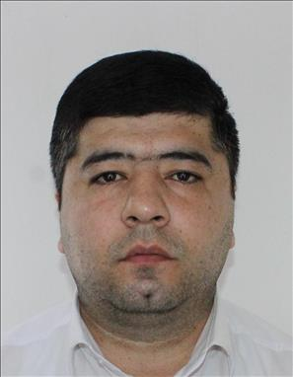 | Toshkent shahri, Uchtepa tumani "Farhod" MFY 23-mavze 40-uy 51-xonadon | SODIQOV ANVAR SHAMSIDDIN O'G'LI | AE1946961 | 1993-02-09 | 30,902,932,640,082 | 52,970,080.00 | (ellik ikki million to'qqiz yuz yetmish ming sakson so'm 0 tiyin) | 2020-yil 24-yanvar | Toshkent shahar, Yashnobod tumani 7-son davlat notarial idorasining notariusi Usmanova Dildora Mahmudovna | 202001137000581 | 2025-yil 5-noyabr | 15,570,080.00 | (o'n besh million besh yuz yetmish ming sakson so'm 0 tiyin)
22 | 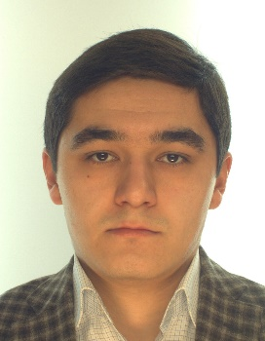 | Toshkent shahar, Olmazor tumani, General G'ofurov-2 mas., Аhil MFY, 78- uy | ZOXIDOV QAXRAMONBEK ULUG‘BEK O‘G‘LI | AB2389049 | 1992-02-15 | 31,502,920,222,853 | 73,215,525.00 | (yetmish uch million ikki yuz o'n besh ming besh yuz yigirma besh so'm 0 tiyin) | 2020-yil 18-fevral | Toshkent shahar, Yashnobod tumani 7-son davlat notarial idorasining notariusi Usmanova Dildora Mahmudovna | 202001137001258 | 2025-yil 5-noyabr | 21,060,525.00 | (yigirma bir million oltmish ming besh yuz yigirma besh so'm 0 tiyin)
23 | 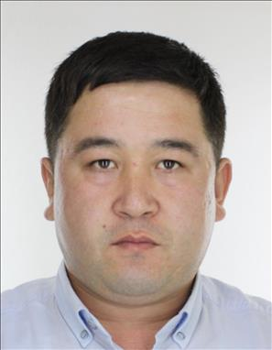 | Toshkent shahar, Yangihayot tumani, 8-qurilish mavzesi, Oriyat MFY, 81-uy, 34-xonadon | O‘RINOV OLIMJON XOLNIYOZOVICH | AD5230146 | 1988-02-04 | 30,402,881,901,048 | 77,175,620.00 | (yetmish yetti million bir yuz yetmish besh ming olti yuz yigirma so'm 0 tiyin) | 2019-yil 13-dekabr | Toshkent shahar, Yashnobod tumani 7-son davlat notarial idorasining notariusi Usmanova Dildora Mahmudovna | 2019011370004711 | 2025-yil 5-noyabr | 22,926,620.00 | (yigirma ikki million to'qqiz yuz yigirma olti ming olti yuz yigirma so'm 0 tiyin)
24 | 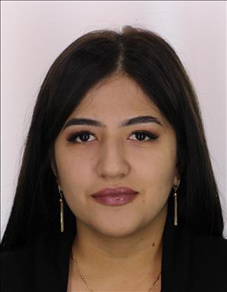 | Toshkent shahar, Yangihayot tumani, 8-qurilish mavzesi, Oriyat MFY, 75-uy, 36-xonadon | XASANOVA GULNAFIS SOXIBOVNA | AD5021910 | 1994-10-03 | 40,310,942,390,014 | 69,656,480.00 | (oltmish to'qqiz million olti yuz ellik olti ming to'rt yuz sakson so'm 0 tiyin) | 2019-yil 13-dekabr | Toshkent shahar, Yashnobod tumani 7-son davlat notarial idorasining notariusi Usmanova Dildora Mahmudovna | 201901137004716 | 2025-yil 5-noyabr | 20,646,480.00 | (yigirma million olti yuz qirq olti ming to'rt yuz sakson so'm 0 tiyin)
25 | 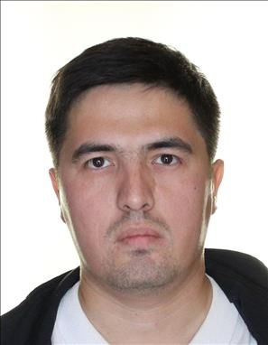 | Toshkent shahar, Yangihayot tumani O'zar ko'chasi, 39-uy, 1-xonadon | XASANXO‘JAYEV SARDORXON ABRORXO‘JA O‘G‘LI | AD1842825 | 1987-08-17 | 31,708,870,220,109 | 52,050,500.00 | (ellik ikki million ellik ming besh yuz so'm 0 tiyin) | 2019-yil 14-mart | Toshkent shahar, Olmazor tumani 2-son davlat notarial idorasining notariusi Tursunkulova Kamila Ruslanovna | 201900043001348 | 2025-yil 5-noyabr | 17,133,289.00 | (o'n yetti million bir yuz o'ttiz uch ming ikki yuz sakson to'qqiz so'm 0 tiyin)
26 | 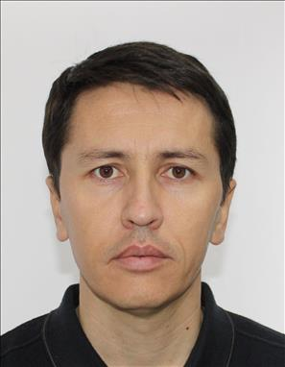 | Toshkent shahri, Yangihayot tumani 8-qurilish hududi ko'chasi 77-uy 5-xonadon | XAYRULLAYEV NAVRUZ FARXODOVICH | AD9186210 | 1990-03-21 | 32,103,901,661,132 | 55,075,762.00 | (ellik besh million yetmish besh ming yetti yuz oltmish ikki so'm 0 tiyin) | 2019-yil 6-mart | Toshkent shahar, Yashnobod tumani 7-son davlat notarial idorasining notariusi Usmanova Dildora Mahmudovna | 202001137001687 | 2025-yil 5-noyabr | 15,687,762.00 | (o'n besh million olti yuz sakson yetti ming yetti yuz oltmish ikki so'm 0 tiyin)
27 | 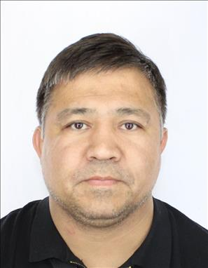 | Toshkent shahri, Yashnobod tumani "Maxmur" MFY Alimkent 4-tor ko'chasi 71-uy | YUSUPOV ILXOM UMARDJANOVICH | AE1979764 | 1986-03-11 | 31,103,860,250,032 | 79,550,390.00 | (yetmish to'qqiz million besh yuz ellik ming uch yuz to'qson so'm 0 tiyin) | 2019-yil 8-oktabr | Toshkent shahar, Yashnobod tumani 7-son davlat notarial idorasining notariusi Usmanova Dildora Mahmudovna | 201901137003010 | 2025-yil 5-noyabr | 24,273,390.00 | (yigirma to'rt million ikki yuz yetmish uch ming uch yuz to'qson so'm 0 tiyin)

